Reminders
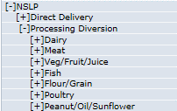
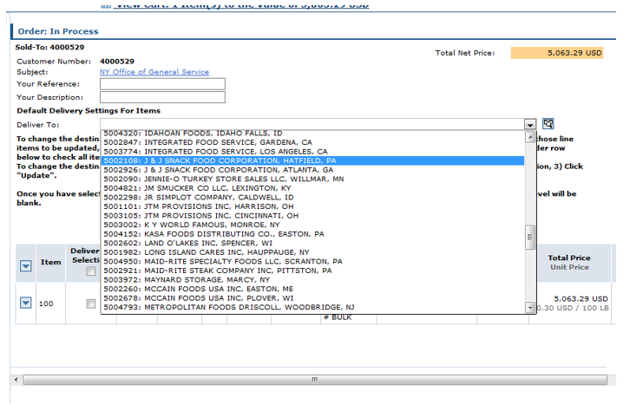
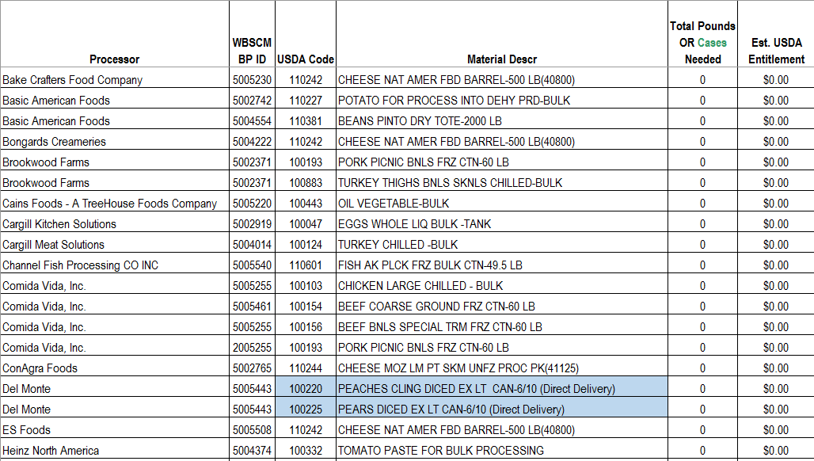

Make sure that your BP Numbers match in the Deliver To section in your WBSCM Shopping Cart

All Blue Highlighted Materials will be found in WBSCM under 'Direct Delivery' and must be ordered in cases. The conversion has been done for you.

